sheet1
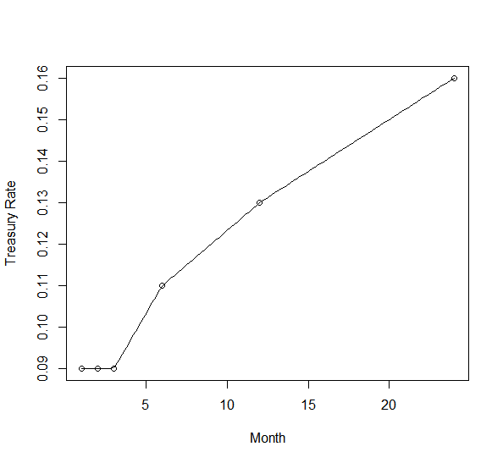
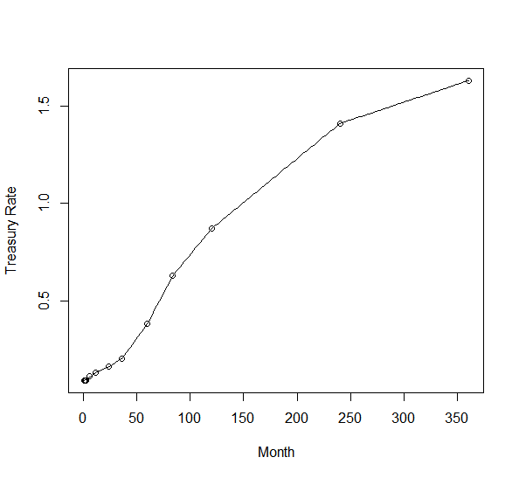
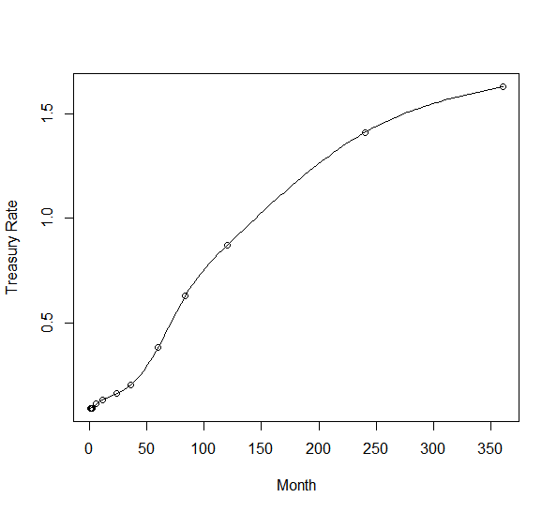

month | linear | spline-natural | spline-natural(short)
3 | 0.0900 | 0.0900 | 0.0900
6 | 0.1100 | 0.1100 | 0.1100
9 | 0.1200 | 0.1244 | 0.1244
12 | 0.1300 | 0.1300 | 0.1300
15 | 0.1375 | 0.1358 | 0.1357
18 | 0.1450 | 0.1431 | 0.1430
21 | 0.1525 | 0.1514 | 0.1512
24 | 0.1600 | 0.1600 | 0.1600

